Dala Sales & Deliveries
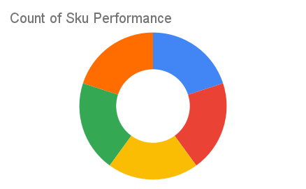
Total Invoices Delivered | 24.00 | Sku Performance | Units | Value
Unique Locations Supplied | 19.00 | 350ml Orisirisi Wallnut Drink (12x) | 2.00 | 43,200.00
Total Value of orders | 788,700.00 | 350ml Orisirisi Wallnut with Ginger Drink (12x) | 6.50 | 140,400.00
 |  | 500ml Orisirisi Tiger Nut Drink (12x) | 9.75 | 269,100.00
 |  | 500ml Orisirisi Zobo Drink (12x) | 7.50 | 180,000.00
 |  | 500ml Orisirisi Zobo with Date Drink (12x) | 6.50 | 156,000.00
 |  |  | 0.00 | 0.00
 |  |  | 0.00 | 0.00
 |  |  | 0.00 | 0.00
 |  |  | 0.00 | 0.00
 |  |  | 0.00 | 0.00
 |  |  | 0.00 | 0.00
 |  |  | 0.00 | 0.00

